Cover
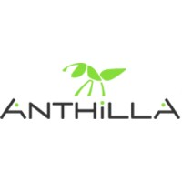
Document | Bill of Materials
Project | AnthC
Version | 1.0
Date | 2021-10-20

